Dummydata
Year | Month | Item Type | Sales | FILTER YEAR
2018 | Jan | Baby Food | $9,003,726 | 2022
2018 | Jan | Beverages | $2,126,140
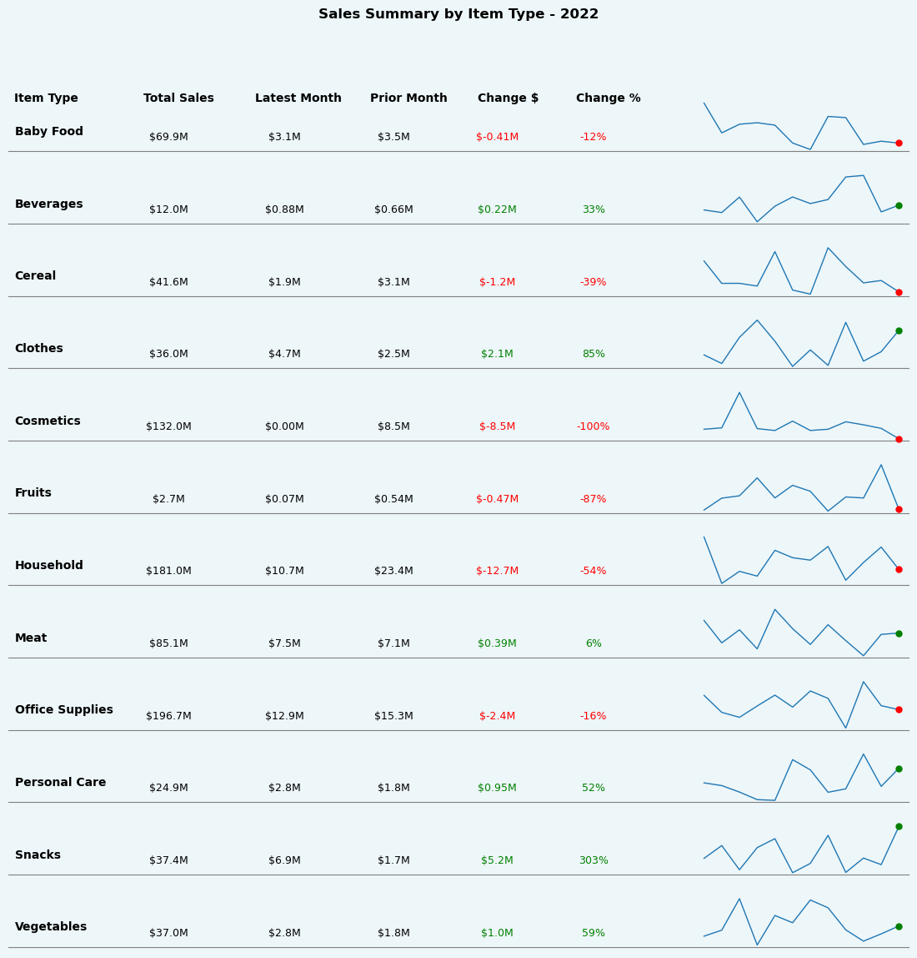
2018 | Jan | Cereal | $6,767,941
2018 | Jan | Clothes | $4,073,849
2018 | Jan | Cosmetics | $22,002,527
2018 | Jan | Fruits | $284,798
2018 | Jan | Household | $4,373,827
2018 | Jan | Meat | $8,130,664
2018 | Jan | Office Supplies | $15,673,973
2018 | Jan | Personal Care | $3,323,060
2018 | Jan | Snacks | $3,906,963
2018 | Jan | Vegetables | $4,516,269
2018 | Feb | Baby Food | $6,258,189
2018 | Feb | Beverages | $665,059
2018 | Feb | Cereal | $9,021,591
2018 | Feb | Clothes | $359,968
2018 | Feb | Cosmetics | $11,350,149
2018 | Feb | Fruits | $393,390
2018 | Feb | Household | $16,841,072
2018 | Feb | Meat | $13,669,658
2018 | Feb | Office Supplies | $18,323,096
2018 | Feb | Personal Care | $2,666,605
2018 | Feb | Snacks | $827,747
2018 | Feb | Vegetables | $5,305,980
2018 | Mar | Baby Food | $1,744,328
2018 | Mar | Beverages | $869,094
2018 | Mar | Cereal | $6,723,922
2018 | Mar | Clothes | $2,130,741
2018 | Mar | Cosmetics | $216,851
2018 | Mar | Fruits | $156,203
2018 | Mar | Household | $5,507,213
2018 | Mar | Meat | $5,366,019
2018 | Mar | Office Supplies | $15,993,718
2018 | Mar | Personal Care | $1,724,340
2018 | Mar | Snacks | $1,442,796
2018 | Mar | Vegetables | $3,945,014
2018 | Apr | Baby Food | $3,393,692
2018 | Apr | Beverages | $458,984
2018 | Apr | Cereal | $4,702,919
2018 | Apr | Clothes | $1,805,087
2018 | Apr | Cosmetics | $10,267,205
2018 | Apr | Fruits | $289,986
2018 | Apr | Household | $13,947,463
2018 | Apr | Meat | $2,717,815
2018 | Apr | Office Supplies | $28,129,016
2018 | Apr | Personal Care | $1,223,662
2018 | Apr | Snacks | $910,903
2018 | Apr | Vegetables | $1,780,471
2018 | May | Baby Food | $1,799,724
2018 | May | Beverages | $664,110
2018 | May | Cereal | $9,041,544
2018 | May | Clothes | $1,492,000
2018 | May | Cosmetics | $10,544,827
2018 | May | Fruits | $314,990
2018 | May | Household | $19,654,489
2018 | May | Meat | $9,392,537
2018 | May | Office Supplies | $23,569,895
2018 | May | Personal Care | $1,712,407
2018 | May | Snacks | $5,945,737
2018 | May | Vegetables | $3,113,399
2018 | Jun | Baby Food | $6,449,649
2018 | Jun | Beverages | $1,605,423
2018 | Jun | Cereal | $5,553,077
2018 | Jun | Clothes | $1,025,921
2018 | Jun | Cosmetics | $4,394,297
2018 | Jun | Fruits | $157,546
2018 | Jun | Household | $22,913,642
2018 | Jun | Meat | $10,841,729
2018 | Jun | Office Supplies | $15,104,816
2018 | Jun | Personal Care | $1,405,184
2018 | Jun | Snacks | $4,990,587
2018 | Jun | Vegetables | $1,495,923
2018 | Jul | Baby Food | $5,707,550
2018 | Jul | Beverages | $317,915
2018 | Jul | Cereal | $3,654,055
2018 | Jul | Clothes | $2,257,069
2018 | Jul | Cosmetics | $11,953,922
2018 | Jul | Fruits | $226,448
2018 | Jul | Household | $2,380,378
2018 | Jul | Meat | $6,228,362
2018 | Jul | Office Supplies | $5,886,938
2018 | Jul | Personal Care | $1,528,351
2018 | Jul | Snacks | $1,310,357
2018 | Jul | Vegetables | $1,772,768
2018 | Aug | Baby Food | $5,612,586
2018 | Aug | Beverages | $771,063
2018 | Aug | Cereal | $2,413,684
2018 | Aug | Clothes | $3,802,725
2018 | Aug | Cosmetics | $7,789,592
2018 | Aug | Fruits | $176,776
2018 | Aug | Household | $25,356,837
2018 | Aug | Meat | $3,378,073
2018 | Aug | Office Supplies | $14,997,366
2018 | Aug | Personal Care | $1,225,296
2018 | Aug | Snacks | $4,537,882
2018 | Aug | Vegetables | $3,975,210
2018 | Sep | Baby Food | $11,872,818
2018 | Sep | Beverages | $1,397,592
2018 | Sep | Cereal | $3,311,770
2018 | Sep | Clothes | $3,031,209
2018 | Sep | Cosmetics | $4,481,737
2018 | Sep | Fruits | $160,037
2018 | Sep | Household | $11,802,985
2018 | Sep | Meat | $4,067,441
2018 | Sep | Office Supplies | $11,723,734
2018 | Sep | Personal Care | $2,343,036
2018 | Sep | Snacks | $2,633,683
2018 | Sep | Vegetables | $3,098,147
2018 | Oct | Baby Food | $4,390,050
2018 | Oct | Beverages | $1,607,416
2018 | Oct | Cereal | $3,158,935
2018 | Oct | Clothes | $3,500,020
2018 | Oct | Cosmetics | $11,949,550
2018 | Oct | Fruits | $224,424
2018 | Oct | Household | $11,385,316
2018 | Oct | Meat | $14,954,313
2018 | Oct | Office Supplies | $4,275,194
2018 | Oct | Personal Care | $1,077,365
2018 | Oct | Snacks | $1,849,117
2018 | Oct | Vegetables | $1,863,356
2018 | Nov | Baby Food | $6,989,566
2018 | Nov | Beverages | $816,709
2018 | Nov | Cereal | $5,142,294
2018 | Nov | Clothes | $3,347,684
2018 | Nov | Cosmetics | $3,446,448
2018 | Nov | Household | $8,082,057
2018 | Nov | Meat | $5,444,912
2018 | Nov | Office Supplies | $15,386,790
2018 | Nov | Personal Care | $2,950,698
2018 | Nov | Snacks | $3,082,726
2018 | Nov | Vegetables | $1,020,185
2018 | Dec | Baby Food | $8,284,347
2018 | Dec | Beverages | $1,251,351
2018 | Dec | Cereal | $7,081,223
2018 | Dec | Cosmetics | $6,032,923
2018 | Dec | Fruits | $182,429
2018 | Dec | Household | $5,860,060
2018 | Dec | Meat | $20,384,037
2018 | Dec | Office Supplies | $16,708,746
2018 | Dec | Personal Care | $1,376,987
2018 | Dec | Snacks | $5,567,339
2018 | Dec | Vegetables | $3,408,269
2019 | Jan | Baby Food | $9,704,214
2019 | Jan | Beverages | $1,985,166
2019 | Jan | Cereal | $3,470,365
2019 | Jan | Clothes | $2,216,526
2019 | Jan | Cosmetics | $9,445,269
2019 | Jan | Fruits | $43,524
2019 | Jan | Household | $11,067,888
2019 | Jan | Meat | $2,867,586
2019 | Jan | Office Supplies | $3,215,675
2019 | Jan | Personal Care | $2,647,153
2019 | Jan | Snacks | $1,501,845
2019 | Jan | Vegetables | $5,603,933
2019 | Feb | Baby Food | $2,286,543
2019 | Feb | Beverages | $1,381,554
2019 | Feb | Cereal | $13,301,385
2019 | Feb | Clothes | $1,698,320
2019 | Feb | Cosmetics | $8,990,144
2019 | Feb | Fruits | $249,857
2019 | Feb | Household | $15,075,503
2019 | Feb | Meat | $18,294,838
2019 | Feb | Office Supplies | $2,490,227
2019 | Feb | Personal Care | $1,307,598
2019 | Feb | Snacks | $1,926,170
2019 | Feb | Vegetables | $1,270,379
2019 | Mar | Baby Food | $4,182,763
2019 | Mar | Beverages | $597,917
2019 | Mar | Cereal | $5,868,210
2019 | Mar | Clothes | $3,629,954
2019 | Mar | Cosmetics | $15,729,144
2019 | Mar | Fruits | $414,691
2019 | Mar | Household | $19,233,479
2019 | Mar | Meat | $6,380,664
2019 | Mar | Office Supplies | $5,500,771
2019 | Mar | Personal Care | $1,196,854
2019 | Mar | Snacks | $4,670,016
2019 | Mar | Vegetables | $6,388,714
2019 | Apr | Baby Food | $3,055,191
2019 | Apr | Beverages | $655,190
2019 | Apr | Cereal | $990,857
2019 | Apr | Clothes | $1,945,403
2019 | Apr | Cosmetics | $4,925,932
2019 | Apr | Fruits | $280,618
2019 | Apr | Household | $7,415,124
2019 | Apr | Meat | $756,449
2019 | Apr | Office Supplies | $14,753,814
2019 | Apr | Personal Care | $1,154,436
2019 | Apr | Snacks | $4,289,939
2019 | Apr | Vegetables | $3,156,689
2019 | May | Baby Food | $7,402,099
2019 | May | Beverages | $1,306,441
2019 | May | Cereal | $1,524,237
2019 | May | Clothes | $4,999,997
2019 | May | Cosmetics | $14,578,434
2019 | May | Fruits | $362,368
2019 | May | Household | $2,455,224
2019 | May | Meat | $14,230,772
2019 | May | Office Supplies | $17,193,898
2019 | May | Personal Care | $711,214
2019 | May | Snacks | $3,262,008
2019 | May | Vegetables | $5,689,282
2019 | Jun | Baby Food | $3,460,320
2019 | Jun | Beverages | $880,767
2019 | Jun | Cereal | $4,818,934
2019 | Jun | Clothes | $2,211,172
2019 | Jun | Cosmetics | $9,883,780
2019 | Jun | Fruits | $39,858
2019 | Jun | Household | $20,588,062
2019 | Jun | Meat | $4,822,203
2019 | Jun | Office Supplies | $1,854,646
2019 | Jun | Personal Care | $3,801,916
2019 | Jun | Snacks | $3,332,500
2019 | Jun | Vegetables | $3,681,572
2019 | Jul | Baby Food | $5,538,044
2019 | Jul | Beverages | $498,083
2019 | Jul | Cereal | $6,580,137
2019 | Jul | Clothes | $5,505,964
2019 | Jul | Cosmetics | $11,703,844
2019 | Jul | Fruits | $178,296
2019 | Jul | Household | $13,836,530
2019 | Jul | Meat | $9,549,480
2019 | Jul | Office Supplies | $23,162,888
2019 | Jul | Personal Care | $1,465,909
2019 | Jul | Snacks | $5,591,599
2019 | Jul | Vegetables | $3,946,247
2019 | Aug | Baby Food | $4,468,421
2019 | Aug | Beverages | $312,031
2019 | Aug | Cereal | $5,925,600
2019 | Aug | Clothes | $1,692,201
2019 | Aug | Cosmetics | $7,978,463
2019 | Aug | Fruits | $226,635
2019 | Aug | Household | $13,042,626
2019 | Aug | Meat | $13,474,323
2019 | Aug | Office Supplies | $16,071,212
2019 | Aug | Personal Care | $1,595,370
2019 | Aug | Snacks | $4,845,941
2019 | Aug | Vegetables | $6,022,051
2019 | Sep | Baby Food | $7,031,688
2019 | Sep | Beverages | $1,474,936
2019 | Sep | Cereal | $7,945,368
2019 | Sep | Clothes | $3,250,752
2019 | Sep | Cosmetics | $15,876,044
2019 | Sep | Fruits | $210,158
2019 | Sep | Household | $4,984,626
2019 | Sep | Meat | $5,502,289
2019 | Sep | Office Supplies | $15,833,520
2019 | Sep | Personal Care | $1,609,754
2019 | Sep | Snacks | $3,058,161
2019 | Sep | Vegetables | $4,889,402
2019 | Oct | Baby Food | $5,356,285
2019 | Oct | Beverages | $1,118,586
2019 | Oct | Cereal | $6,837,262
2019 | Oct | Clothes | $3,364,513
2019 | Oct | Cosmetics | $14,316,114
2019 | Oct | Fruits | $386,038
2019 | Oct | Household | $13,770,372
2019 | Oct | Meat | $2,945,636
2019 | Oct | Office Supplies | $17,232,319
2019 | Oct | Personal Care | $2,234,989
2019 | Oct | Snacks | $3,179,462
2019 | Nov | Baby Food | $2,197,706
2019 | Nov | Beverages | $1,376,952
2019 | Nov | Cereal | $744,840
2019 | Nov | Clothes | $2,392,795
2019 | Nov | Cosmetics | $8,941,177
2019 | Nov | Fruits | $305,035
2019 | Nov | Household | $14,360,454
2019 | Nov | Meat | $10,891,512
2019 | Nov | Office Supplies | $22,110,533
2019 | Nov | Personal Care | $2,689,734
2019 | Nov | Snacks | $556,612
2019 | Nov | Vegetables | $6,600,393
2019 | Dec | Baby Food | $6,966,846
2019 | Dec | Beverages | $1,424,734
2019 | Dec | Cereal | $6,771,027
2019 | Dec | Clothes | $4,468,568
2019 | Dec | Cosmetics | $11,020,500
2019 | Dec | Fruits | $298,019
2019 | Dec | Household | $27,139,781
2019 | Dec | Meat | $14,007,170
2019 | Dec | Office Supplies | $9,069,402
2019 | Dec | Personal Care | $1,257,906
2019 | Dec | Snacks | $220,936
2019 | Dec | Vegetables | $3,883,236
2020 | Jan | Baby Food | $3,866,981
2020 | Jan | Beverages | $942,689
2020 | Jan | Cereal | $7,292,682
2020 | Jan | Clothes | $2,492,786
2020 | Jan | Cosmetics | $9,644,632
2020 | Jan | Fruits | $391,095
2020 | Jan | Household | $27,918,316
2020 | Jan | Meat | $7,142,598
2020 | Jan | Office Supplies | $29,301,845
2020 | Jan | Personal Care | $2,712,782
2020 | Jan | Snacks | $6,268,444
2020 | Jan | Vegetables | $2,566,023
2020 | Feb | Baby Food | $1,605,456
2020 | Feb | Beverages | $850,826
2020 | Feb | Cereal | $2,454,412
2020 | Feb | Clothes | $2,552,562
2020 | Feb | Cosmetics | $18,943,439
2020 | Feb | Fruits | $118,370
2020 | Feb | Household | $11,837,735
2020 | Feb | Meat | $2,346,552
2020 | Feb | Office Supplies | $24,639,182
2020 | Feb | Personal Care | $2,533,630
2020 | Feb | Snacks | $532,809
2020 | Feb | Vegetables | $4,634,587
2020 | Mar | Baby Food | $7,463,111
2020 | Mar | Beverages | $1,218,848
2020 | Mar | Cereal | $4,169,745
2020 | Mar | Clothes | $4,628,773
2020 | Mar | Cosmetics | $14,720,087
2020 | Mar | Fruits | $513,215
2020 | Mar | Household | $22,306,853
2020 | Mar | Meat | $9,085,823
2020 | Mar | Office Supplies | $12,976,662
2020 | Mar | Personal Care | $1,368,324
2020 | Mar | Snacks | $3,392,159
2020 | Mar | Vegetables | $4,053,165
2020 | Apr | Baby Food | $2,736,091
2020 | Apr | Beverages | $1,147,863
2020 | Apr | Cereal | $647,544
2020 | Apr | Clothes | $4,712,372
2020 | Apr | Cosmetics | $20,633,217
2020 | Apr | Fruits | $255,036
2020 | Apr | Household | $18,067,348
2020 | Apr | Meat | $11,659,774
2020 | Apr | Office Supplies | $6,063,416
2020 | Apr | Personal Care | $3,428,982
2020 | Apr | Snacks | $1,854,457
2020 | Apr | Vegetables | $1,441,848
2020 | May | Baby Food | $11,980,801
2020 | May | Beverages | $1,186,819
2020 | May | Cereal | $1,800,081
2020 | May | Clothes | $4,377,648
2020 | May | Cosmetics | $8,104,814
2020 | May | Fruits | $135,696
2020 | May | Household | $18,377,425
2020 | May | Meat | $2,809,787
2020 | May | Office Supplies | $13,699,505
2020 | May | Personal Care | $3,248,686
2020 | May | Snacks | $4,613,104
2020 | May | Vegetables | $2,396,557
2020 | Jun | Baby Food | $12,143,670
2020 | Jun | Beverages | $152,884
2020 | Jun | Cereal | $5,541,969
2020 | Jun | Clothes | $749,552
2020 | Jun | Cosmetics | $11,361,516
2020 | Jun | Fruits | $280,506
2020 | Jun | Household | $9,352,439
2020 | Jun | Meat | $15,653,385
2020 | Jun | Office Supplies | $12,498,674
2020 | Jun | Personal Care | $2,330,449
2020 | Jun | Snacks | $634,580
2020 | Jun | Vegetables | $6,847,967
2020 | Jul | Baby Food | $4,364,267
2020 | Jul | Beverages | $2,535,491
2020 | Jul | Cereal | $5,024,223
2020 | Jul | Clothes | $2,062,332
2020 | Jul | Cosmetics | $13,391,873
2020 | Jul | Fruits | $96,118
2020 | Jul | Household | $14,864,330
2020 | Jul | Meat | $9,195,093
2020 | Jul | Office Supplies | $12,387,317
2020 | Jul | Personal Care | $2,151,379
2020 | Jul | Snacks | $4,528,269
2020 | Jul | Vegetables | $2,469,428
2020 | Aug | Baby Food | $11,278,270
2020 | Aug | Beverages | $1,268,813
2020 | Aug | Cereal | $4,577,236
2020 | Aug | Clothes | $1,850,875
2020 | Aug | Cosmetics | $8,158,152
2020 | Aug | Fruits | $358,197
2020 | Aug | Household | $14,558,262
2020 | Aug | Meat | $11,619,272
2020 | Aug | Office Supplies | $10,237,021
2020 | Aug | Personal Care | $1,349,607
2020 | Aug | Snacks | $2,696,241
2020 | Aug | Vegetables | $2,223,240
2020 | Sep | Baby Food | $7,766,383
2020 | Sep | Beverages | $1,349,715
2020 | Sep | Cereal | $4,642,855
2020 | Sep | Clothes | $2,483,607
2020 | Sep | Cosmetics | $14,692,106
2020 | Sep | Fruits | $244,549
2020 | Sep | Household | $9,037,015
2020 | Sep | Meat | $11,645,852
2020 | Sep | Office Supplies | $8,878,597
2020 | Sep | Personal Care | $1,533,909
2020 | Sep | Snacks | $4,985,399
2020 | Sep | Vegetables | $2,046,379
2020 | Oct | Baby Food | $13,046,850
2020 | Oct | Beverages | $650,302
2020 | Oct | Cereal | $6,124,306
2020 | Oct | Clothes | $2,834,068
2020 | Oct | Cosmetics | $9,791,531
2020 | Oct | Fruits | $225,422
2020 | Oct | Household | $8,738,967
2020 | Oct | Meat | $6,324,131
2020 | Oct | Office Supplies | $9,268,672
2020 | Oct | Personal Care | $978,472
2020 | Oct | Snacks | $6,394,170
2020 | Oct | Vegetables | $5,935,162
2020 | Nov | Baby Food | $4,076,566
2020 | Nov | Beverages | $1,097,708
2020 | Nov | Cereal | $4,135,393
2020 | Nov | Clothes | $1,818,638
2020 | Nov | Cosmetics | $14,460,827
2020 | Nov | Fruits | $119,928
2020 | Nov | Household | $3,977,543
2020 | Nov | Meat | $10,740,898
2020 | Nov | Office Supplies | $12,900,470
2020 | Nov | Personal Care | $4,565,601
...

